DashBoard
Enterprise Value
Indicative Share Price
Last 5 Years Earnings Growth (YoY)

2,209,289
$7.27
1.30%

 | Operating Cash Flows | Investing Cash Flows | Financing Cash Flows | Cash Balance
 | 160,244 | (45,061.00) | (38,252.00) | 125,244
 | 89,527 | (2,707.00) | (31,982.87) | 180,081
 | 90,658 | (2,707.00) | (36,752.44) | 231,280
 | 99,357 | (2,707.00) | (41,780.42) | 286,150
 | 109,475 | (2,707.00) | (47,112.78) | 345,805
 | 120,435 | (2,707.00) | (52,803.67) | 410,730
Financial Data | 2020 | 2021 | 2022 | 2023 | 2024 | 2025 | Cash Flow and Cash Balance | Valuation
Income statement: |  |  |  |  |  |  |  |  | Market | DCF -Bull | DCF -Bear | DCF-Consensus | Comps-High | Comps-Low
Total Revenue | 334,296.00 | 367,725.60 | 404,498.16 | 444,947.98 | 489,442.77 | 538,387.05 |  | Share price | 7.94 | 12 | 4.64 | 7.76 | 10.75 | 6.61
Revenue Growth |  | 10.00% | 10.00% | 10.00% | 10.00% | 10.00% |  | Share no. | 320,954,416 | 320,954,416 | 320,954,416 | 320,954,416 | 320,954,416 | 320,954,416
 |  |  |  |  |  |  |  | Net debt | - | - | - | - | - | -
EBITDA | 139,691.00 | 84,657.32 | 93,393.05 | 103,122.36 | 113,834.59 | 125,569.05 |  | Minority interest | - | - | - | - | - | -
EBITDA Margin | 41.79% | 23.02% | 23.09% | 23.18% | 23.26% | 23.32% |  | Enterprise Value | 2,548,378,063 | 3,851,452,992 | 1,489,228,490 | 2,490,606,268 | 3,450,388,581 | 2,120,824,325
Year
Net profit | 98,223 | 51,999 | 59,783 | 67,986 | 76,683 | 85,963
Net profit Margin | 29.38% | 14.14% | 14.78% | 15.28% | 15.67% | 15.97%
Earnings Growth |  | -47.06% | 14.97% | 13.72% | 12.79% | 12.10%
Comps-High
Earnings Growth (YoY) |  |  |  |  |  | 1.30%

DCF -Bear
DCF-Consensus
Balance Sheet:
Total Assets | 375,909 | 450,516 | 500,421 | 556,427 | 619,015 | 688,731
Total Liabilities | 233,741 | 285,756 | 309,797 | 336,481 | 366,071 | 398,857
Market
Comps-Low
Total Equity | 142,168 | 132,623 | 158,889 | 188,654 | 222,140 | 259,606
 |  |  |  |  |  |  |  |  |  |  |  |  |  |  | Notes: Link A Textbox To Specific Cell In Excel
Cash Flow Statement: |  |  |  |  |  |  |  |  |  |  |  |  |  |  | Step 1: Click the Text Box button under Insert tab, and insert a textbox in your worksheet
Operating Cash Flows | 160,244 | 89,527 | 90,658 | 99,357 | 109,475 | 120,435 |  |  |  |  |  |  |  |  | Step 2: While text box is selected put your cursor in the formula bar, type in = symbol and then click on the cell you want to link to, and finally press the Enter key. See screenshot
Investing Cash Flows | (45,061.00) | (2,707.00) | (2,707.00) | (2,707.00) | (2,707.00) | (2,707.00)
Financing Cash Flows | (38,252.00) | (31,982.87) | (36,752.44) | (41,780.42) | (47,112.78) | (52,803.67)
Cash Balance | 125,244 | 180,081 | 231,280 | 286,150 | 345,805 | 410,730 |  |  |  |  |  |  |  |  | Series Function: Alt +F1

Forecast EBITDA vs EBITDA Margin |  |  |  |  |  |  | Current Balance Sheet (2020) | Forecast Net Profit vs Profit Margin

H1 FY21
Financial Statements Consolidated income statement For the year ended 30 September 2019 |  |  | Restated1 |  |  |  | • Profit After Tax of $28.2m, up 48%
 | Notes | 2020 | H1 FY 2021 |  |  |  | • Profit Before Tax of $37.3m, up 44%
 |  | $’000 | $’000 |  |  |  | • SaaS Annual Recurring Revenue (ARR)1 of $155.8m, up 41%
Revenue from contracts with customers | 5 | 298,267 | 144,300 | up 5% |  |  | • Revenue from our SaaS and Continuing Business of $140.6m, up 7%
Variable costs |  | (19,130) |  |  |  |  | • Total Revenue of $144.3m, up 5%
Variable customer cloud costs |  | (19,479) |  |  |  |  | • Expenses of $107.4m, down 5%
Total variable costs |  | (38,609) |  |  |  |  | • Cash and Cash Equivalents of $100.1m, up 20% from 31 March 2020
Occupancy costs |  | (3,259) |  |  |  |  | • Cash Flow Generation2 of ($2.9m) as expected, and will be strong over the full year
Corporate costs |  | (18,312) |  |  |  |  | • Dividend of 3.82cps, up 10%
Depreciation and amortisation | 6 | (18,638) |  |  |  |  | • R&D expenditure (before capitalisation) of $34.6m, up 14%, which is 24% of revenue
Computer and communication costs |  | (8,019)
Marketing costs |  | (5,296)
Employee costs |  | (119,615)
Share-based payments |  | (3,305)
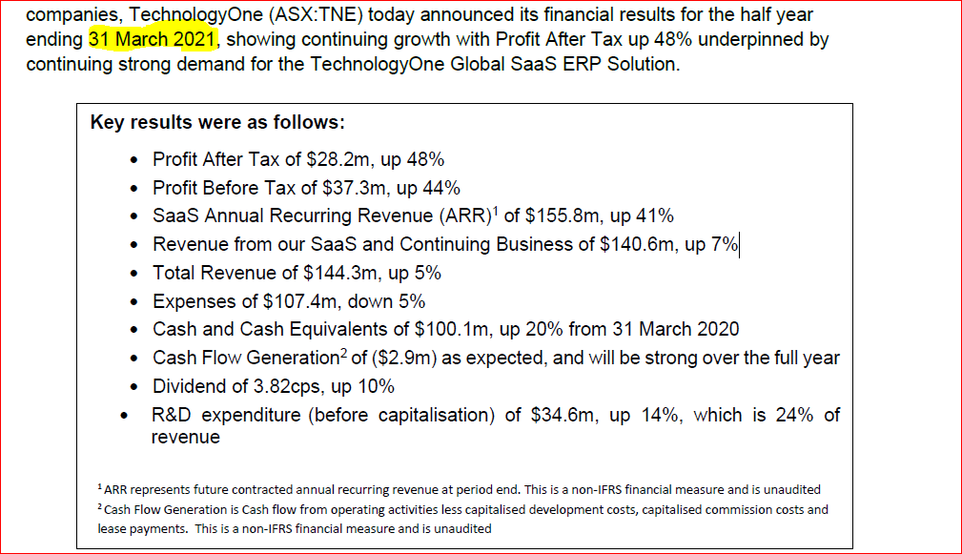
Finance expense |  | (1495)
Total operating costs |  | (177,939) | 107,400 | Down 5%
Other income | 5(a) | 751
Profit before income tax | 7 | 82,470 | 37,300 | up 44%
Income tax expense | 7 | (19,525) |  |  | Tax Rate:0.23676
Profit for the year |  | 62,945 | 28,200 | up 48%
 |  | Cents | Cents
Basic earnings per share | 33 | 19.75 | 18.43
Diluted earnings per share | 33 | 19.61 | 18.30
Consolidated statement of comprehensive income For the year ended 30 September 2020 |  | 2019 $’000 | H1 FY 2021
Profit for the year |  | 62,945 | 58,459
Other comprehensive income
Items that may be reclassified to profit or loss Exchange differences on translation of foreign operations
Other comprehensive income for the year, net of tax |  | 286 | 1,199
Total comprehensive income for the year |  | 63,231 | 59,658

Consolidated statement of financial position as at 30 September H1 2021
 |  | 2020 | H1 FY 2021
 | Notes | $’000 | $’000
ASSETS
Current assets
Cash and cash equivalents | 8 | 125,244 | 100,132 | up 20% from 31 March 2020
Prepayments |  | 10,851 | 11,691
Trade and other receivables | 9 | 37,396 | 28,983
Contract assets | 10 | 22,051 | 25,394
Other current assets | 11 | 397 | 1557
Current tax assets |  | 8,077 | 11,452
Contract acquisition costs | 13 | 2,956 | 3,247
Total current assets |  | 206,972 | 182,456
Non-current assets
Property, plant and equipment | 12 | 8,969 | 7,675
Intangible assets | 13 | 23,786 | 38,589
Capitalised development | 13 | 37986 | 75374
Contract assets | 10 | 62,556 | 21,110
Deferred tax assets | 14 | 28,605 | 24392
Contract acquisition costs | 13 | 7035 | 6,990
Total non-current assets |  | 168,937 | 174,130

Total assets |  | 375,909 | 356,586
LIABILITIES
Current liabilities
Trade and other payables | 15 | 37,123 | 33,358
Provisions | 17 | 20,548 | 14,957
Prepaid subscription revenue | 16 | 144,148 | 124,033
Borrowings | 19 | 2148 | 1729
Total current liabilities |  | 203,967 | 174,077
Non-current liabilities
Provisions | 19 | 2,430 | 1,994
Other non-current liabilities | 20 | 147 | 131
Lease liability | 19 | 27197 | 26,757
Total non-current liabilities |  | 29,774 | 28,882

Total liabilities |  | 233,741 | 202,959
Net assets |  | 142,168 | 153,627
EQUITY
Contributed equity | 22 | 40,551 | 50,512
Other reserves | 23 | 63,524 | 49,284
Retained earnings |  | 38,093 | 53,831
Total equity |  | 142,168 | 153,627
Consolidated statement of cash flows For H1 2021

 |  | 2020 | H1 FY 2021
 | Notes | $’000 | $’000 |  |  |  |  | $’000 | $’000
Cash flows from operating activities
Receipts from customers (inclusive of GST) |  | 340,405
Unused prepayments to suppliers |  | -
Payments to suppliers and employees (inclusive of GST) |  | (222,036)
Interest received |  | 353
Income taxes paid |  | -13716
Interest paid | 19 | (1,495)
Net cash inflow / (outflow) from operating activities | 29 | 103,511 | 18,573
Cash flows from investing activities
Payments of contingent consideration |  | (223) | (4,059)
Payments for property, plant and equipment |  | (1,979) | (2,350)
Payments for intangible assets |  | (42,859) | (35,927)
Proceeds from sale of property, plant and equipment |  | - | -
Net cash inflow / (outflow) from investing activities |  | (45,061) | (42,336)
Cash flows from financing activities
Proceeds from exercise of share options |  | 5248 | 2075
Repayment of finance lease | 19 | -4512 | -
Dividends paid to company's shareholders | 23 | -38988 | -35850
Net cash inflow / (outflow) from financing activities |  | (38,252) | (33,775)
Net increase / (decrease) in cash and cash equivalents |  | 20,198 | 724
Cash and cash equivalents at the beginning of the financial year |  | 105,046 | 104,322
Cash and cash equivalents at end of year | 8 | 125,244 | 105,046

Consolidated Statement of changesin equity as at 30 September 2020 | Notes | Contributed equity $’000 | Retained earnings $’000 | Dividend reserve $’000 | FOREX reserve $’000 | Share option reserve $’000 | Total equity $’000
Balance at 1 October 2019 |  | 35,302 | 16,078 | 27,905 | 1850 | 25,722 | 106,857
AASB 16 opening adjustment | 1(a) | - | 199 | - | - | - | 199
Adjusted opening balance |  | 35302 | 16277 | 27905 | 1850 | 25722 | 107,056
Exchange differences on translation of foreign operations |  | - | - | - | 286 | - | 286
Profit for the period |  | - | 62945 | - | - | - | 62,945
Total comprehensive income for the period |  | - | 62945 | - | 286 | - | 63,231
Transfer to dividend reserve |  | - | (41129) | 41129 | - | - | 0
Dividends paid | 23 | - | - | (38988) | - | - | -38,988
Exercise of share options | 21 | 5249 | - | - | - | - | 5,249
Share based payments | 31 | - | - | - | - | 3305 | 3,305
Tax impact of share trust |  | - | - | - | - | 2315 | 2,315
 |  | 5249 | (41129) | 2141 | 0 | 5620 | -28,119
Balance at 30 September 2020 |  | 40,551 | 37,894 | 30,046 | 2,136 | 31,342 | 141,969

Balance at 1 October 2018 |  | 33,171 | 12,758 | 8,616 | 651 | 22,294 | 77,490
Exchange differences on translation of foreign operations |  | - | - | - | 1,199 | - | 1,199
Profit for the period |  | - | 12,758 | - | - | - | 12,758
Total comprehensive income for the period |  | - | 58,459 | - | 1,199 | - | 59,658

Transfer to dividend reserve |  | - | (55139) | 55139 | - | - | 0
Dividends paid | 23 | - | - | (35850) | - | - | -35,850
Exercise of share options | 21 | 2131 | - | - | - | - | 2,131
Share-based payments | 31 | - | - | - | - | 1947 | 1,947
Tax impact of share trust |  | - | - | - | - | 1481 | 1,481
 |  | 2131 | (55139) | 19289 | 0 | 3428 | -30,291
Balance at 30 September 2020 |  | 35,302 | -42,381 | 27,905 | 651 | 25,722 | 106,857

Notes:
1Refer to note 1(a)(ii) for details regarding the restatements for changes in accounting policies on adoption of AASB 15.

